Instructions
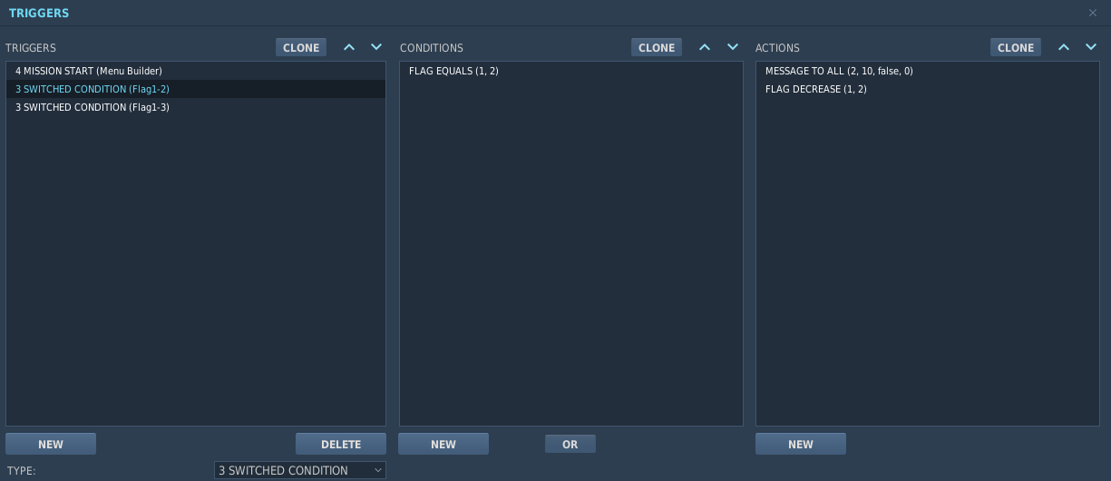
I have created a base pattern which comprises two root entried called "Wingman" and "Element"
These each have a sub menu called "Other Actions"
Each Root menu has three entries: "Attack Primary", "Attack Secondary" & "SEAD"
Each Sub Menu has two entries: "RTB" & "Orbit"

You can customise the menu names by simply editing
You can customise the command names that appear in the radio menu by editing the command name
To add a root menu simply add a row under the last root entry and copy the above line
To add more submenus simply add more rows and add the menu to each of the root menus (if needed) such that Column C maps the ColumnA on the root
You can add sub-submenus also by referring to the submenu instead of root (See Sub Sub Menu Example)

To add commands simply copy or insert lines ensuring that Menu ID maps to what page/subpage you want to present it in.

Once you create the entries you require copy all of the rows underneath the Outpur header and paste into a script file to be executed at misison start
Additionally you will need to create matching "Swithced triggers" to perform the actions created on the flags you define
You should also set an action to undo the flag for example if you action flag1 with a value of 2 you should add an action to reduce it by 2 (this allows the switch to reset)

